Sheet1
 | Document No. |  | Issue No. | Issue Date |  |  | Review and Replace Date |  | Authorised By
 | GFF516MC |  | 1 | 11.07.2025 |  |  | New doc |  | Magda Shah
 | Document Title |  | 20 Chicken Tikka Samosa 500G

Document amendments reason for change | New doc |  |  | Page 1 of 1 |  | Previous Issue Date |  | New doc | Uncontrolled copy unless signed original

FCSAC-B20X4TDA |  | GAZEBO-Danora |  |  | 20 Chicken Tikka Samosa 500G
STEP 1 |  |  |  |  | STEP 2
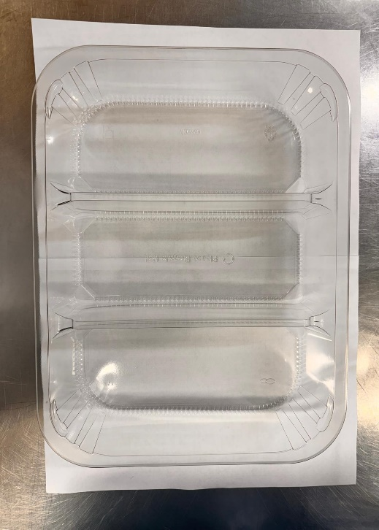 |  |  |  |  | 

NEW RECIPE

PACK DAY + 1 YEAR
NON-MAP PACK

Tray: HW308/60 - 3 CAVITY TRANS - 352X246X60 - (PKESS001-10) |  |  |  |  | Chicken Tikka Samosa Cocktail 25g (GFF529R): 20 Pieces (500G)
Film: K Peel RPSM 25µm (340mmX1000lm) (PKKMP001-05)
STEP 3
Colour coded tags- WHITE & BLUE should be on the Chicken samosa 25g
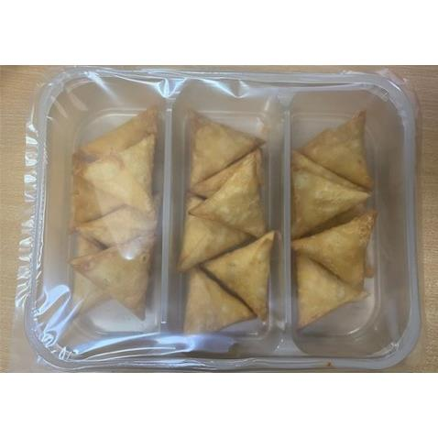 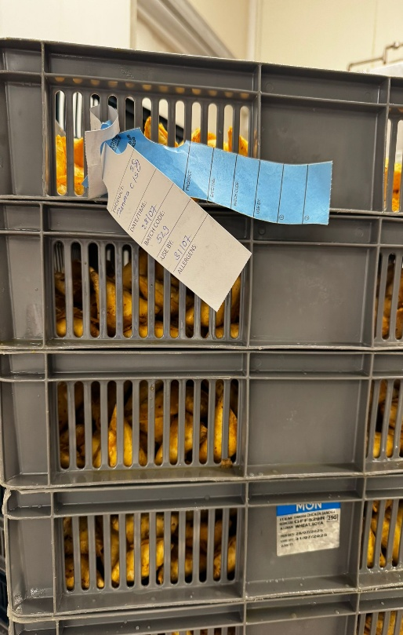
TOTAL WEIGHT: 500G
ALLERGY ALERT: WHEAT, SOYA

